Sheet1
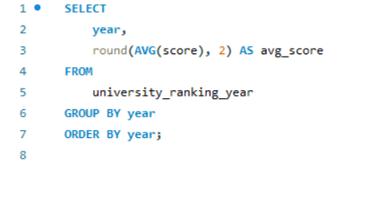
How has the ranking score of universities evolved over the years?

Sheet2
year | avg_score
2005 | 35.89
2006 | 35.78
2007 | 35.41
2008 | 35.7
2009 | 35.53
2010 | 35.11
2011 | 49.43
2012 | 53.1
2013 | 54.72
2014 | 296.82
2015 | 306.68
2016 | 65.19

